PSM Plan (Form 6 - Face)
PERMANENT SURVEY MARK - PLAN

 |  | REGISTERED NO.

Bearings are |  |  | Sketch is | Distances are in metres

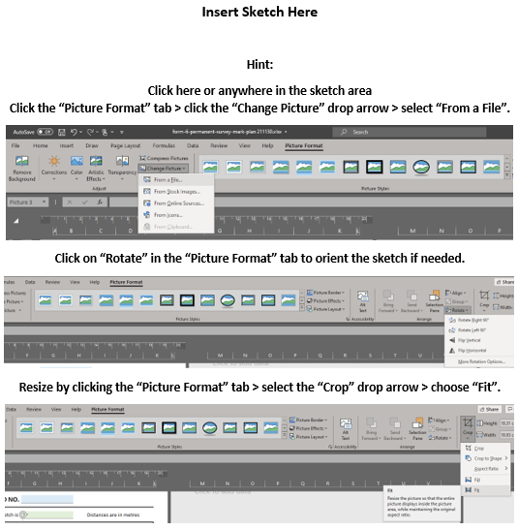

Mark Type:

Suited to GNSS? |  | Details Completed on Reverse Side:

 | Prepared by: |  |  |  | Date:

 |  |  | (registered person or public authority)

